Model
Projection of the 3 Year Period for the Store
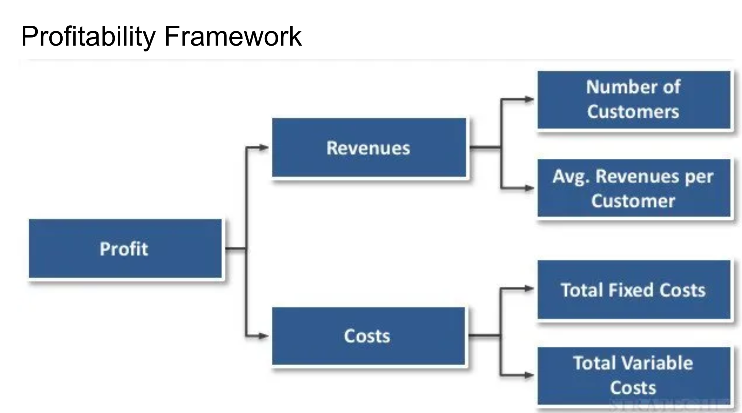
Build a model for an ecommerce store while considering the factors that can impact profitability
Janice is planning on starting an ecommerce store for homemade gifts on Shopify, and would like to build out a model to calculate her expected revenue, cost, and profit over the next 3 years. Consider the effects of seasonality as well as the overall business growth in your model, and clearly state your assumptions.

Assumptions
 | Every Customer will buy 1 Item. (To avoid over complications)
 | Taking into account both the likelihood that they will make a purchase and the profit margin associated with that purchase.
 | Holiday Season => November, & December
 |  |  |  |  |  |  |  |  |  |  | Variable Costs
 |  |  |  |  |  | Month | # of Customers (Base) | Seasonality | Net Revenue | Fixed Costs | S&H | Storage | Processing Fee | Wages | Total Costs | Profit | Cumulative Profit
Net Revenue |  |  |  |  |  | 1 | 50 | 0 | $1,071.58 | $420 | $125.00 | $40.50 | $19.29 | $720 | -$1,324.79 | -$253.21 | -$253.21
 | Item | Value | Unit |  |  | 2 | 60 | 0 | $1,285.89 | $420 | $150.00 | $48.60 | $23.15 | $864 | -$1,505.75 | -$219.86 | -$473.07
 | Initial # of Customers | 50 | Customers |  |  | 3 | 70 | 0 | $1,500.21 | $420 | $175.00 | $56.70 | $27.00 | $1,008 | -$1,686.70 | -$186.50 | -$659.57
 | Customer Growth | 10 | Customers/Month |  |  | 4 | 80 | 0 | $1,714.52 | $420 | $200.00 | $64.80 | $30.86 | $1,152 | -$1,867.66 | -$153.14 | -$812.71
 | Holiday Season Surge | 40% | %Gain |  |  | 5 | 90 | 0 | $1,928.84 | $420 | $225.00 | $72.90 | $34.72 | $1,296 | -$2,048.62 | -$119.78 | -$932.49
 | EV of Customer | $21.43 | /Customer |  |  | 6 | 100 | 0 | $2,143.15 | $420 | $250.00 | $81.00 | $38.58 | $1,440 | -$2,229.58 | -$86.43 | -$1,018.92
 |  |  |  |  |  | 7 | 110 | 0 | $2,357.47 | $420 | $275.00 | $89.10 | $42.43 | $1,584 | -$2,410.53 | -$53.07 | -$1,071.99
 |  |  |  |  |  | 8 | 120 | 0 | $2,571.78 | $420 | $300.00 | $97.20 | $46.29 | $1,728 | -$2,591.49 | -$19.71 | -$1,091.70
 |  |  |  |  |  | 9 | 130 | 0 | $2,786.10 | $420 | $325.00 | $105.30 | $50.15 | $1,872 | -$2,772.45 | $13.65 | -$1,078.06
Costs |  |  |  |  |  | 10 | 140 | 0 | $3,000.41 | $420 | $350.00 | $113.40 | $54.01 | $2,016 | -$2,953.41 | $47.00 | -$1,031.05
 | Item | Value | Unit |  |  | 11 | 150 | 40% | $4,500.62 | $420 | $525.00 | $170.10 | $81.01 | $3,024 | -$4,220.11 | $280.50 | -$750.55
 | Marketing(Ads,SEO,etc.) | $200 | /Month |  |  | 12 | 160 | 40% | $4,800.66 | $420 | $560.00 | $181.44 | $86.41 | $3,226 | -$4,473.45 | $327.20 | -$423.35
 | Website | $150 | /Month |  |  | 13 | 170 | 0 | $3,643.36 | $420 | $425.00 | $137.70 | $65.58 | $2,448 | -$3,496.28 | $147.07 | -$276.27
 | Shipping & Handling | $2.50 | /Customer |  |  | 14 | 180 | 0 | $3,857.67 | $420 | $450.00 | $145.80 | $69.44 | $2,592 | -$3,677.24 | $180.43 | -$95.84
 | Utilities(Internet,Electricity) | $70 | /Month |  |  | 15 | 190 | 0 | $4,071.99 | $420 | $475.00 | $153.90 | $73.30 | $2,736 | -$3,858.20 | $213.79 | $117.95
 | Storage | $2.70 | /sqft |  |  | 16 | 200 | 0 | $4,286.30 | $420 | $500.00 | $162.00 | $77.15 | $2,880 | -$4,039.15 | $247.15 | $365.10
 | Space of each unit | 0.3 | sqrt/unit |  |  | 17 | 210 | 0 | $4,500.62 | $420 | $525.00 | $170.10 | $81.01 | $3,024 | -$4,220.11 | $280.50 | $645.60
 | Payment Process | 1.80% | of Net Revenue |  |  | 18 | 220 | 0 | $4,714.93 | $420 | $550.00 | $178.20 | $84.87 | $3,168 | -$4,401.07 | $313.86 | $959.46
 | Salary & Wages | $18 | /Worker/Hr |  |  | 19 | 230 | 0 | $4,929.25 | $420 | $575.00 | $186.30 | $88.73 | $3,312 | -$4,582.03 | $347.22 | $1,306.68
 | # of workers needed | 0.005 | Workers/Customer |  |  | 20 | 240 | 0 | $5,143.56 | $420 | $600.00 | $194.40 | $92.58 | $3,456 | -$4,762.98 | $380.58 | $1,687.26
 |  |  |  |  |  | 21 | 250 | 0 | $5,357.88 | $420 | $625.00 | $202.50 | $96.44 | $3,600 | -$4,943.94 | $413.93 | $2,101.19
 |  |  |  |  |  | 22 | 260 | 0 | $5,572.19 | $420 | $650.00 | $210.60 | $100.30 | $3,744 | -$5,124.90 | $447.29 | $2,548.48
Expected Value Calculations |  |  |  |  |  | 23 | 270 | 40% | $8,101.11 | $420 | $945.00 | $306.18 | $145.82 | $5,443 | -$7,260.20 | $840.91 | $3,389.39
 | Item | Selling Price | COGS | P(Purchase) | Net Margin | 24 | 280 | 40% | $8,401.15 | $420 | $980.00 | $317.52 | $151.22 | $5,645 | -$7,513.54 | $887.61 | $4,276.99
 | A | $20.00 | $5.00 | 50% | $15.00 | 25 | 290 | 0 | $6,215.14 | $420 | $725.00 | $234.90 | $111.87 | $4,176 | -$5,667.77 | $547.36 | $4,824.36
 | B | $30.00 | $8.20 | 35% | $21.80 | 26 | 300 | 0 | $6,429.45 | $420 | $750.00 | $243.00 | $115.73 | $4,320 | -$5,848.73 | $580.72 | $5,405.08
 | C | $70.00 | $27.99 | 15% | $42.01 | 27 | 310 | 0 | $6,643.77 | $420 | $775.00 | $251.10 | $119.59 | $4,464 | -$6,029.69 | $614.08 | $6,019.15
 |  |  |  |  |  | 28 | 320 | 0 | $6,858.08 | $420 | $800.00 | $259.20 | $123.45 | $4,608 | -$6,210.65 | $647.43 | $6,666.59
 |  |  |  |  | $21.43 | 29 | 330 | 0 | $7,072.40 | $420 | $825.00 | $267.30 | $127.30 | $4,752 | -$6,391.60 | $680.79 | $7,347.38
 |  |  |  |  |  | 30 | 340 | 0 | $7,286.71 | $420 | $850.00 | $275.40 | $131.16 | $4,896 | -$6,572.56 | $714.15 | $8,061.53
 |  |  |  |  |  | 31 | 350 | 0 | $7,501.03 | $420 | $875.00 | $283.50 | $135.02 | $5,040 | -$6,753.52 | $747.51 | $8,809.04
 |  |  |  |  |  | 32 | 360 | 0 | $7,715.34 | $420 | $900.00 | $291.60 | $138.88 | $5,184 | -$6,934.48 | $780.86 | $9,589.90
 |  |  |  |  |  | 33 | 370 | 0 | $7,929.66 | $420 | $925.00 | $299.70 | $142.73 | $5,328 | -$7,115.43 | $814.22 | $10,404.12
 |  |  |  |  |  | 34 | 380 | 0 | $8,143.97 | $420 | $950.00 | $307.80 | $146.59 | $5,472 | -$7,296.39 | $847.58 | $11,251.70
 |  |  |  |  |  | 35 | 390 | 40% | $11,701.60 | $420 | $1,365.00 | $442.26 | $210.63 | $7,862 | -$10,300.29 | $1,401.31 | $12,653.01
 |  |  |  |  |  | 36 | 400 | 40% | $12,001.64 | $420 | $1,400.00 | $453.60 | $216.03 | $8,064 | -$10,553.63 | $1,448.01 | $14,101.02

